Sheet1
User story ID | Test case ID | Module | Summary | Step sto reproduce | Attachment | Assigned to | Defect ID | Defect Status | Result | Reporter
OP-4 | OP-18 | Quick search | Few extra entities under search box | Steps to reproduce : 1. Navigate to opencart URL "https://demo.opencart.com/" 2. Under search box just display the below mentioned entities a) Desktops b) Laptops and Notebooks c) Cameras |  | Developer | OP-32 | Open | Fail | Nidish Rao
OP-5 | OP-21 | Warning Message | No warning message | Steps to reproduce : 1. User should navigate to opencart URL "https://demo.opencart.com/" 2. Must login to account only then can add items to cart 3. If user tries adding items to cart without logging in alert warning message displaying "Please login to continue your shopping" | 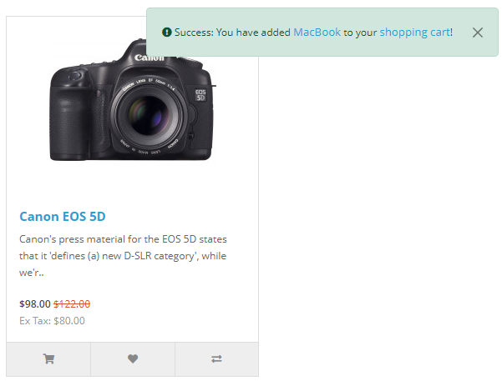 | Developer | OP-33 | Open | Fail | Nidish Rao
OP-6 | OP-31 | All mentioned fields in Registration | Confirm password field is missing | Steps to reproduce : 1. Navigate to opencraft URL "https://demo.opencart.com/" 2. Under My account in home page click on register 3. Registration page opens 4. Under Your password section of Registration page add another field called "confirm password" | 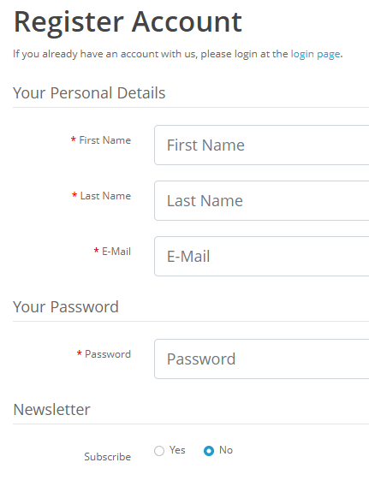 | Developer | OP-34 | Open | Fail | Nidish Rao
OP-6 | OP-25 | Email Field format "abc@abc.com" | Email field format is not applied | Steps to reproduce : 1. Navigate to opencart URl "https://demo.opencart.com/" 2. Under My account in home page click on register 3. Under "Your personal details" section of registration page email field is present 4. Email should be of "abc@abc.com" format only |  | Developer | OP-35 | Open | Fail | Nidish Rao
OP-6 | OP-26 | Password & Confirm password validation | Confirm password field is missing | Steps to reproduce : 1. Navigate to opencraft URL "https://demo.opencart.com/" 2. Under My account in home page click on register 3. Registration page opens 4. Under Your password section of Registration page add another field called "confirm password" |  | Developer | OP-34 | Open | Fail | Nidish Rao
OP-6 | OP-27 | Continue button | Continue button is functional even if fields are empty | Steps to reproduce : 1. Navigate to opencart URL "https://demo.opencart.com/: 2. Under My account in home page click on register 3. Registration page opens 4. Under registration make all fields MANDATORY 5. Until all the fields are filled and privacy policy checkbox is checked make continue button NON Functional | 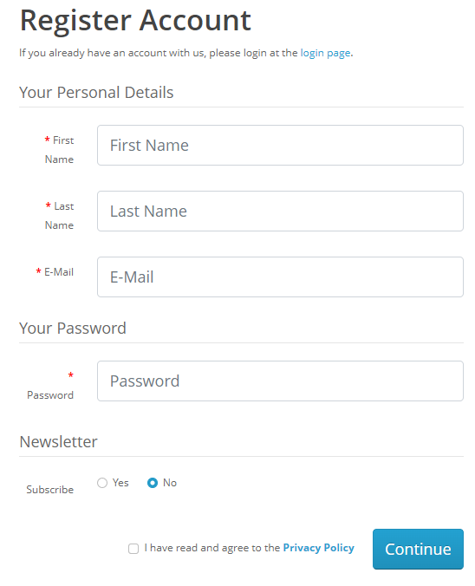 | Developer | OP-36 | Open | Fail | Nidish Rao

